D1
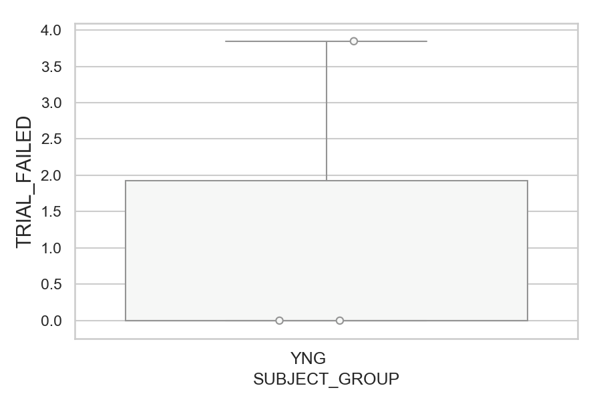
Total number of failed trials (no successful saccade) (percentage)
SUBJECT_NAME | SUBJECT_GROUP | NUMBER_OF_FAILED_TRIALS | TOTAL_NUMBER_OF_TRIALS | SUBJECT_AGE | VALUE
MP1 | YNG | 2 | 52 |  | 3.8461538462
AW001CG | YNG | 0 | 52 | 19 | 0
AW002AF | YNG | 0 | 52 | 19 | 0

D1 (types)
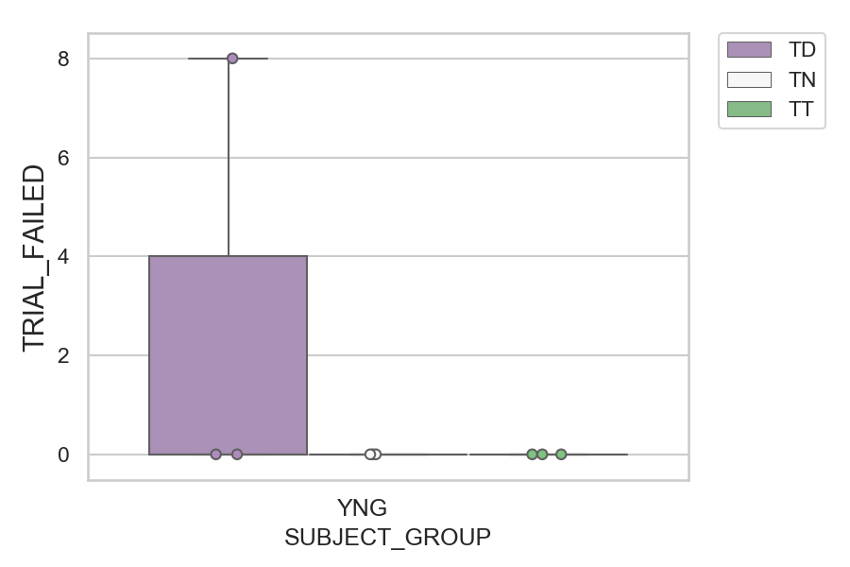
Total number of failed trials (no successful saccade) (percentage)
SUBJECT_NAME | SUBJECT_GROUP | CONDITION_APPEARANCE | NUMBER_OF_FAILED_TRIALS | TOTAL_NUMBER_OF_TRIALS | SUBJECT_AGE | VALUE
MP1 | YNG | TD | 2 | 25 |  | 8
AW001CG | YNG | TD | 0 | 25 | 19 | 0
AW001CG | YNG | TN | 0 | 14 | 19 | 0
AW001CG | YNG | TT | 0 | 13 | 19 | 0
AW002AF | YNG | TD | 0 | 25 | 19 | 0
AW002AF | YNG | TN | 0 | 14 | 19 | 0
AW002AF | YNG | TT | 0 | 13 | 19 | 0
MP1 | YNG | TN | 0 | 14 |  | 0
MP1 | YNG | TT | 0 | 13 |  | 0

D2
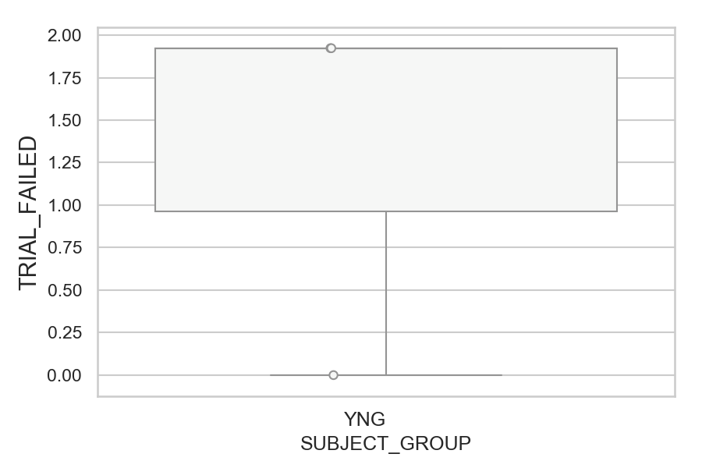
Total number of failed trials (no successful saccade) (percentage)
SUBJECT_NAME | SUBJECT_GROUP | NUMBER_OF_FAILED_TRIALS | TOTAL_NUMBER_OF_TRIALS | SUBJECT_AGE | VALUE
AW001CG | YNG | 1 | 52 | 19 | 1.9230769231
AW002AF | YNG | 1 | 52 | 19 | 1.9230769231
MP1 | YNG | 0 | 52 |  | 0

D2 (types)
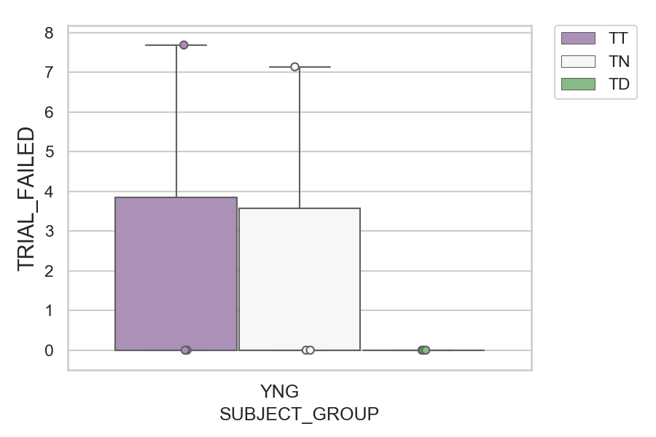
Total number of failed trials (no successful saccade) (percentage)
SUBJECT_NAME | SUBJECT_GROUP | CONDITION_APPEARANCE | NUMBER_OF_FAILED_TRIALS | TOTAL_NUMBER_OF_TRIALS | SUBJECT_AGE | VALUE
AW001CG | YNG | TT | 1 | 13 | 19 | 7.6923076923
AW002AF | YNG | TN | 1 | 14 | 19 | 7.1428571429
AW001CG | YNG | TD | 0 | 25 | 19 | 0
AW001CG | YNG | TN | 0 | 14 | 19 | 0
AW002AF | YNG | TD | 0 | 25 | 19 | 0
AW002AF | YNG | TT | 0 | 13 | 19 | 0
MP1 | YNG | TD | 0 | 25 |  | 0
MP1 | YNG | TN | 0 | 14 |  | 0
MP1 | YNG | TT | 0 | 13 |  | 0

D2 (no D1 failed)
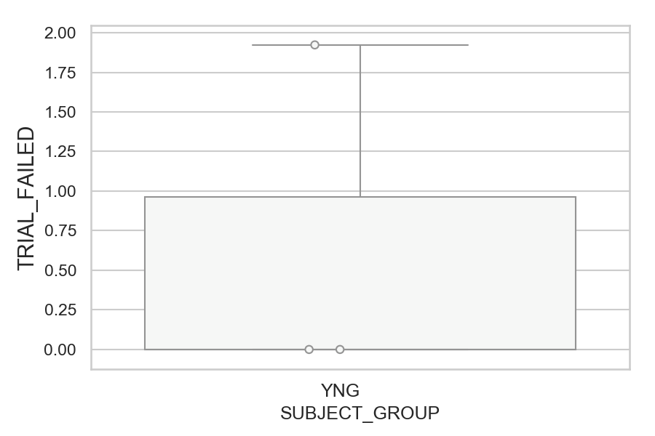
Total number of failed trials (no successful saccade) (percentage)
SUBJECT_NAME | SUBJECT_GROUP | NUMBER_OF_FAILED_TRIALS | TOTAL_NUMBER_OF_TRIALS | SUBJECT_AGE | VALUE
AW002AF | YNG | 1 | 52 | 19 | 1.9230769231
AW001CG | YNG | 0 | 51 | 19 | 0
MP1 | YNG | 0 | 50 |  | 0

D2 (no D1 failed) (types)

Total number of failed trials (no successful saccade) (percentage)
SUBJECT_NAME | SUBJECT_GROUP | CONDITION_APPEARANCE | NUMBER_OF_FAILED_TRIALS | TOTAL_NUMBER_OF_TRIALS | SUBJECT_AGE | VALUE
AW002AF | YNG | TN | 1 | 14 | 19 | 7.1428571429
AW001CG | YNG | TD | 0 | 25 | 19 | 0
AW001CG | YNG | TN | 0 | 14 | 19 | 0
AW001CG | YNG | TT | 0 | 12 | 19 | 0
AW002AF | YNG | TD | 0 | 25 | 19 | 0
AW002AF | YNG | TT | 0 | 13 | 19 | 0
MP1 | YNG | TD | 0 | 23 |  | 0
MP1 | YNG | TN | 0 | 14 |  | 0
MP1 | YNG | TT | 0 | 13 |  | 0

